Setup
Hello from MCP!

Eq Mass TNT (W) | 500 | lb | This field contains the sensitive Design Basis Threat (DBT) charge weight
Perp. Standoff to face (y) | 40 | ft
Addl. Standoff (y') | 0 | ft | This distance is zero by default; it may be nonzero for roof or sidewall pressures where the point of interest is beyond the face of the wall
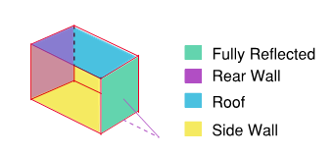
Offset to Target (x) | 60 | ft
Planar Standoff (r) |  | ft | This is the standoff distance in the 2D plan view
Target Height (z') | 80 | ft | This represents the target height
Standoff (R) |  | ft | This represents the standoff distance from building to threat location in 3D Space
tan(AOI)
AOI (α) |  | deg | The angle of incidence of the shock wave
Load Type | Roof |  | Select loading type (ref Figure to right)
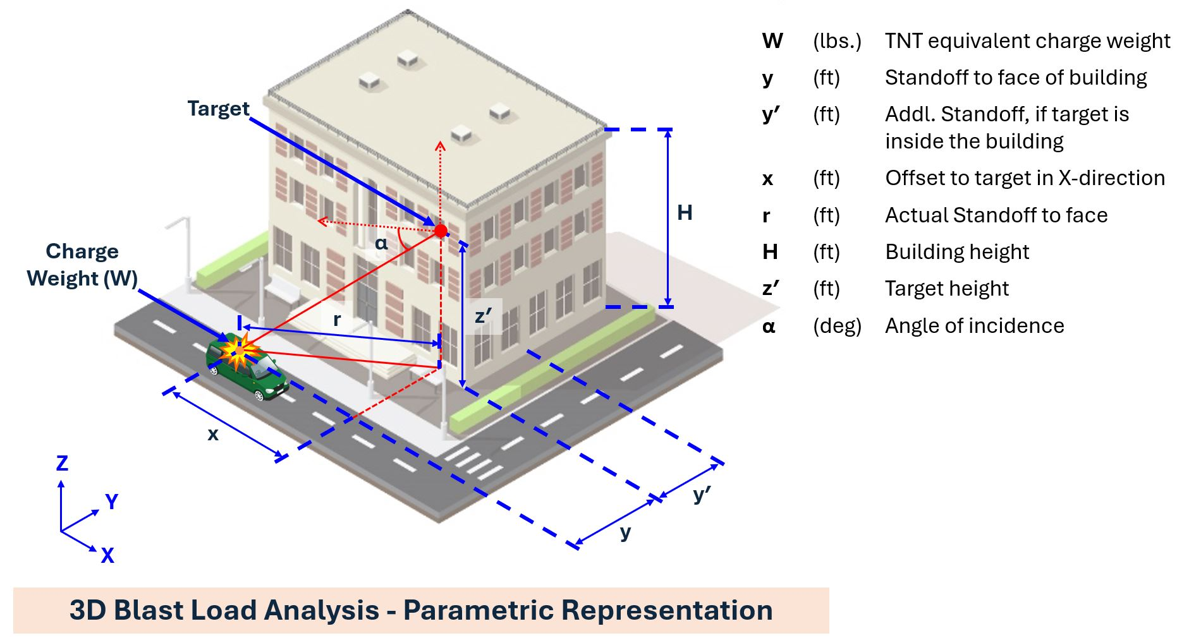
Building Height (H) | 120.0 | ft

z= | scaled distance (standoff / (charge weight)1/3
Pso= | incident pressure

Lw= | blast wave length
L= | roof component length (generally taken as 20-30 ft)
Lw/L | ratio of wave length to component length

Ce=
Ce*Pso
qof= | dynamic pressure

Cd= |  |  |  | z=0 for this calculation

Pr= | reflected pressure

min LwL
max Lwl
Lw/L
to= | rise time for side and rear blast pressure

min LwL
max Lwl
Lw/L
td= | total duration of blast loading for side/rear blast pressure

Ir= | reflected impulse

Reflected
 |  | UFC Blast Load Calculator Reflected Blast Loads (AOI < 90)

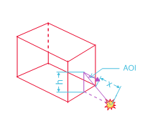
Date
Project | SQ 105 Example
Blast Zone | 1700 K Street
Eq Mass TNT |  | lb
Standoff |  | ft
Target Height |  | ft
tan(AOI)
AOI |  | deg

z= |  | ft/lb1/3
Ps= |  | psi

Cra=
Cra*Pso |  | psi

Pr= |  | psi

0.00 | 12.551318379
9.31 | 0
Ira/w^1/3

Ira |  | psi-msec

td= |  | msec

Ir= |  | psi-msec

** indictates Lw/L out of range of UFC Figures, and min/max Lw/L utilized for calculation

Side-on
 |  | UFC Blast Load Calculator Roof Blast Loads (90 < AOI < 135)

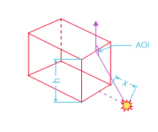
Date
Project
Blast Zone
Eq Mass TNT |  | lb
Standoff |  | ft
Roof Height |  | ft
tan(AOI)
AOI |  | deg

z= |  | ft/lb1/3
Pso= |  | psi

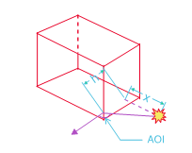
Lw= |  | ft
L= | 20 | ft
Lw/L

Ce=
Ce*Pso |  | psi
qof= |  | psi

Cd=

Pr= |  | psi

0.00 | 0.00
15.78 | 2.75
36.73 | 0.00
min LwL | 0.5
max Lwl | 3
Lw/L
to= |  | msec

min LwL | 0.2
max Lwl | 5
Lw/L
td= |  | msec

Ir= |  | psi-msec

** indictates Lw/L out of range of UFC Figures, and min/max Lw/L utilized for calculation

Rear-on
 |  | UFC Blast Load Calculator Rear Blast Loads (135<AOI<180)

Date
Project | VA Poplar Bluff
Blast Zone | W1 @ 25 ft
Eq Mass TNT |  | lb
Standoff |  | ft
Roof Height |  | ft
tan(AOI)
AOI |  | deg

z= |  | ft/lb1/3
Pso= |  | psi

Lw= |  | ft
L= |  | ft
Lw/L

Ce=
Ce*Pso |  | psi
qof= |  | psi

Cd=

Pr= |  | psi

0.00 | 0.00
15.78 | 2.75
36.73 | 0.00
min LwL | 0.5
max Lwl | 3
Lw/L
to= |  | msec

min LwL | 0.2
max Lwl | 5
Lw/L
td= |  | msec

Ir= |  | psi-msec

** indictates Lw/L out of range of UFC Figures, and min/max Lw/L utilized for calculation

